Power Generation Calculations
Solar Exposure over one orbit(hr) | Avg. Solar Intensity (W/m^2) | Option Choosen | Nominal Power Consumption (W) |  | 6.56
1.018074816 | 1366 | m | Peak Power Consumption (W) |  | 8.23
 |  |  | Peak mode battery req while in ecplise (Whr) |  | 4.11
 |  |  | Nomial mode battery req while in ecplise(Whr) |  | 3.28
 |  |  | Net Power Required in Nominal mode (W) |  | 3.22
 |  |  | Net Power Required in Peak Mode (W) |  | 4.04
 |  |  | Total Power Required in Nominal Mode (W) |  | 9.78
 |  |  | Total Power Required in Peak Mode (W) |  | 12.26
 |  |  | Average MPPT Efficency |  | 92%

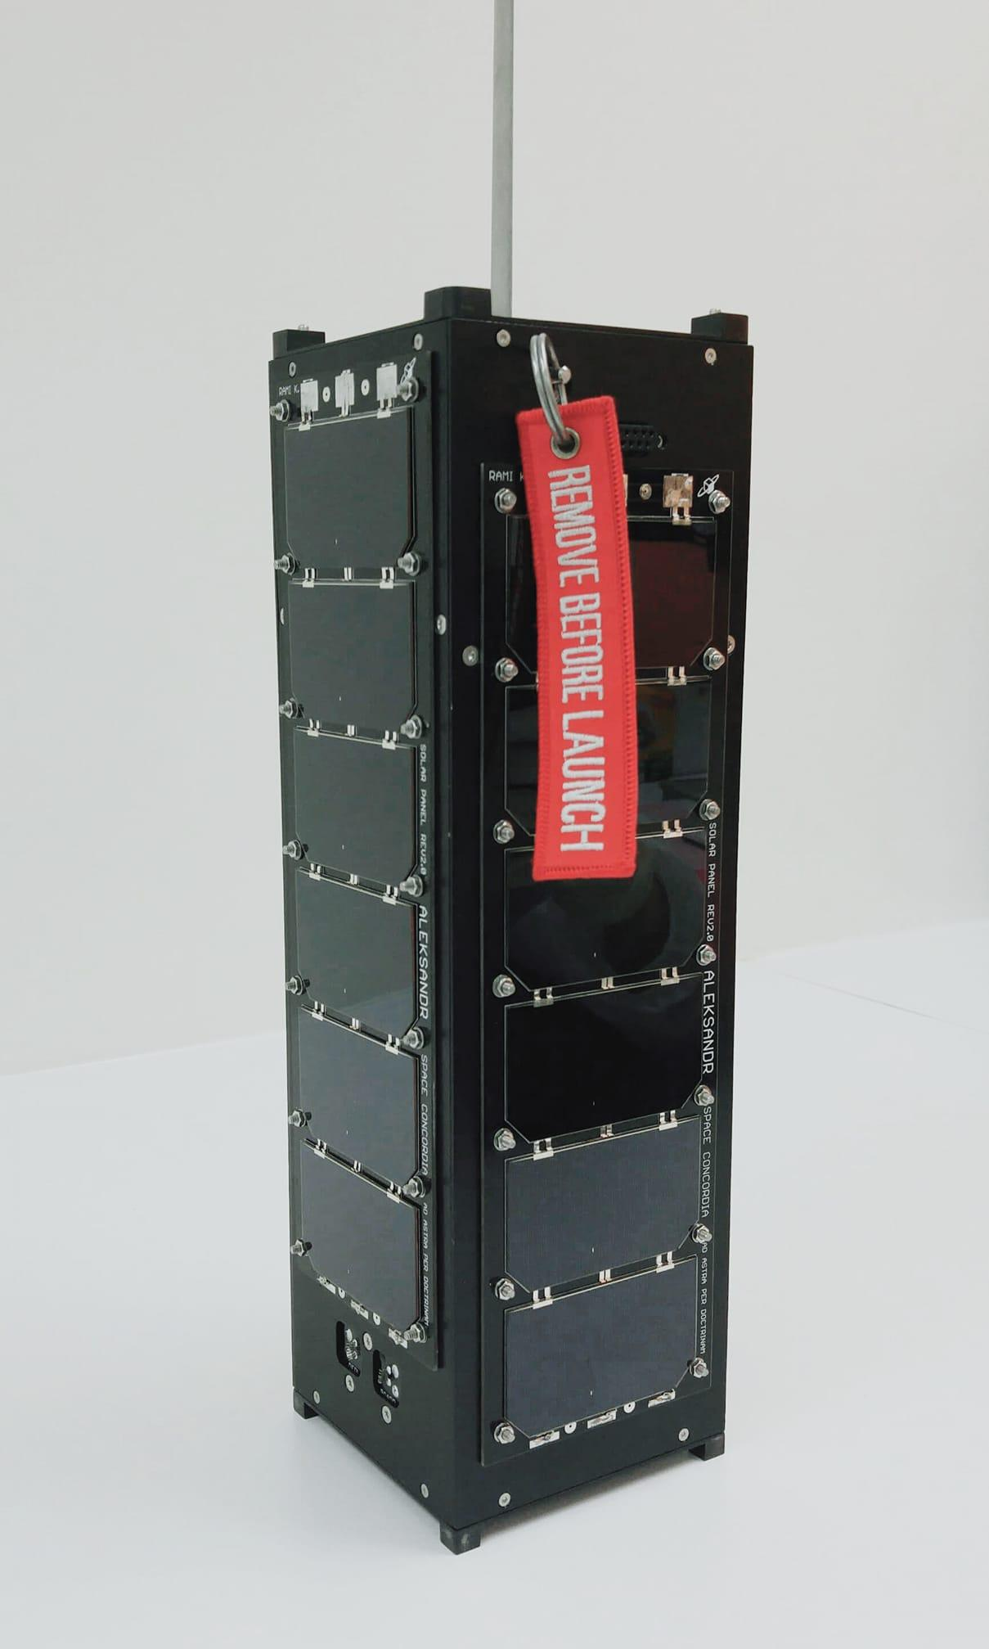
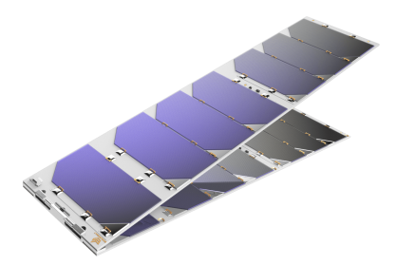
Option | Solar Panel Configuration | Cell Implemented | Number of Photovoltaic Cells per Panel | Area of Photovoltaic Cell (m^2) | Number of Illuminated Solar Panels | Efficiency of Panel | Max Intantaneous Power Generated (W) | Max Intantenous Power After MPPT Regulation (W) | Net Power Generated in Nominal Mode (W) | Net Power Generated in Peak Mode (W) | Excess Energy in Nomial Mode (Whr) | Excess Energy in Peak Mode (Whr) | Possible Manufacturer | Weigth (kg/m^2) | Total Mass Cell Arquitecture (g) | Cost Per Cell | Power Produced per Cell (W) | Cells Required to meet Power Requirments | (1)CSDC 4 | (2) Deployables | (3)One Deployable Side
a | Non-deployable sides | Spectrolab UTJ | 7 | 0.003018 | 1 | 28% | 8.08 | 7.433850682 | 0.87 | -0.79 | 0.8902203805 | -0.8055339006 |  | 0.84 | 17.74584 |  | 1.062 | 11.549
b | 1 deployable side | Spectrolab UTJ | 7 | 0.003018 | 2 | 28% | 16.16 | 14.86770136 | 8.31 | 6.64 | 8.458436545 | 6.762682264 |  | 0.84 | 35.49168 |  | 1.062 | 11.549
c | 2 deployable sides | Spectrolab UTJ | 7 | 0.003018 | 3 | 28% | 24.24 | 22.30155204 | 15.74 | 14.08 | 16.02665271 | 14.33089843 |  | 0.84 | 53.23752 |  | 1.062 | 11.549
d | 5 Panels | Spectrolab UTJ | 7 | 0.003018 | 5 | 28% | 40.40 | 37.16925341 | 30.61 | 28.94 | 31.16308504 | 29.46733076 |  | 0.84 | 88.7292 |  | 1.062 | 11.549
e | 6 Panels | Spectrolab UTJ | 7 | 0.003018 | 6 | 28% | 48.48 | 44.60310409 | 38.04 | 36.38 | 38.7313012 | 37.03554692 |  | 0.84 | 106.47504 |  | 1.062 | 11.549
f | Non-deployable sides | Spectrolab XJT Prime | 7 | 0.002722 | 1 | 30% | 7.81 | 7.183662864 | 0.62 | -1.04 | 0.6355104642 | -1.060243817 | Clyde Space | 0.5 | 9.527 |  | 1.026 | 11.951
g | 1 deployable side | Spectrolab XJT Prime | 7 | 0.0027 | 2 | 30% | 15.49 | 14.2512048 | 7.69 | 6.03 | 7.83079692 | 6.135042639 | Clyde Space | 0.5 | 18.9 |  | 1.018 | 11.951
h | 2 deployable sides | Spectrolab XJT Prime | 7 | 0.0027 | 3 | 30% | 23.24 | 21.3768072 | 14.82 | 13.15 | 15.08519327 | 13.38943899 | Clyde Space | 0.5 | 28.35 |  | 1.018 | 11.951
i | 5 Pannels | Spectrolab XJT Prime | 7 | 0.0027 | 5 | 30% | 38.73 | 35.628012 | 34.628012 | 27.40 | 35.25390695 | 27.8982317 | Clyde Space | 0.5 | 47.25 |  | 1.018 | 11.951
j | 6 Panels | Spectrolab XJT Prime | 7 | 0.0027 | 6 | 30% | 46.47 | 42.7536144 | 36.19 | 34.53 | 36.84838233 | 35.15262805 | Clyde Space | 0.5 | 56.7 |  | 1.018 | 11.951
k | Non-deployable sides | TJ 3G30C | 7 | 0.003018 | 1 | 29.50% | 8.51 | 7.832092682 | 1.27 | -0.39 | 1.295660532 | -0.4000937489 | DHV | 0.86 | 18.16836 |  | 1.119 | 10.962
l | 1 deployable side | TJ 3G30C | 7 | 0.003018 | 2 | 29.50% | 17.03 | 15.66418536 | 10.66418536 | 7.44 | 10.85693855 | 7.573562568 | DHV | 0.86 | 36.33672 |  | 1.119 | 10.962
m | 2 deployable sides | TJ 3G30C | 7 | 0.003018 | 3 | 29.50% | 25.54 | 23.49627805 | 16.94 | 15.27 | 17.24297317 | 15.54721888 | DHV | 0.86 | 54.50508 |  | 1.119 | 10.962
n | 5 Pannels | TJ 3G30C | 7 | 0.003018 | 5 | 29.50% | 42.57 | 39.16046341 | 32.60 | 30.94 | 33.1902858 | 31.49453152 | DHV | 0.86 | 90.8418 |  | 1.119 | 10.962
o | 6 Panels | TJ 3G30C | 7 | 0.003018 | 6 | 29.50% | 51.08 | 46.99255609 | 44.52 | 38.77 | 45.32411063 | 39.46818783 | DHV | 0.86 | 109.01016 |  | 1.119 | 10.962
p | Non-deployable sides | CJT30 | 7 | 0.003015 | 1 | 29.50% | 8.50 | 7.824307302 | 4.824307302 | 0.28 | 4.911505769 | 0.2846523442 | Endurosat | 0.87 | 18.36135 |  | 1.118 | 10.973
q | 1 deployable side | CJT30 | 7 | 0.003015 | 2 | 29.50% | 17.01 | 15.6486146 | 9.09 | 7.42 | 9.253464649 | 7.557710368 | Endurosat | 0.87 | 36.7227 |  | 1.118 | 10.973
r | 2 deployable sides | CJT30 | 7 | 0.003015 | 3 | 29.50% | 25.51 | 23.47292191 | 16.91 | 15.25 | 17.21919487 | 15.52344059 | Endurosat | 0.87 | 55.08405 |  | 1.118 | 10.973
s | 5 Pannels | CJT30 | 7 | 0.003015 | 5 | 29.50% | 42.52 | 39.12153651 | 32.56 | 30.90 | 33.1506553 | 31.45490102 | Endurosat | 0.87 | 91.80675 |  | 1.118 | 10.973
t | 6 Panels | CJT30 | 7 | 0.003015 | 6 | 29.50% | 51.03 | 46.94584381 | 40.39 | 38.72 | 41.11638552 | 39.42063124 | Endurosat | 0.85 | 107.6355 |  | 1.118 | 10.973

